Dashboard
Sprint | 1 | 2 | 3 | 4 | 5 | 6 | 7 | 8 | 9 | 10 | 11 | 12
Progress | 0 | 0 | 0 | 0 | 0 | 0 | 0 | 0 | 0 | 0 | 0 | 0
Total Progress | 0 | 0 | 0 | 0 | 0 | 0 | 0 | 0 | 0 | 0 | 0 | 0
Mood | 0 | 0 | 0 | 0 | 0 | 0 | 0 | 0 | 0 | 0 | 0 | 0
Evolution Phase | Discovery | Discovery | Discovery | Discovery | Discovery | Discovery | Discovery | Discovery | Discovery | Discovery | Discovery | Discovery
Purpose Launchpad Progres Graph

Mood | 0 | 0 | 0 | 0 | 0 | 0 | 0 | 0 | 0 | 0 | 0 | 0
Discovery | 0 | 0 | 0 | 0 | 0 | 0 | 0 | 0 | 0 | 0 | 0 | 0
Validation | 0 | 0 | 0 | 0 | 0 | 0 | 0 | 0 | 0 | 0 | 0 | 0
Grow | 0 | 0 | 0 | 0 | 0 | 0 | 0 | 0 | 0 | 0 | 0 | 0

Evolution Phase
Discovery
Validation
Grow

Sprint #01
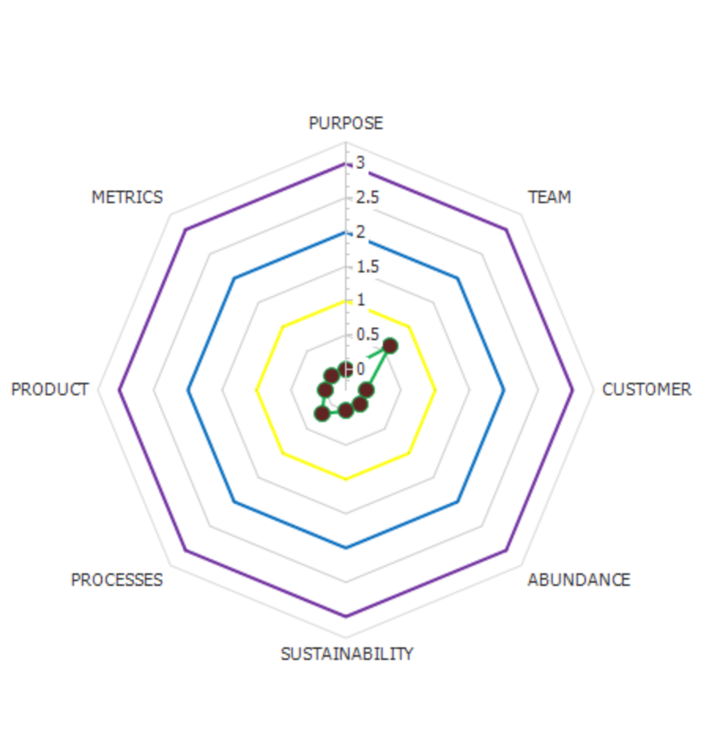
Assessment Result | Sprint Backlog |  |  |  | Reference
 | Story | People assigneed | Result/Learning | PLP | Purpose Launchpad Learnings
 |  |  |  | 0 | 0 | Nothing
 |  |  |  | 0 | 1 | New hypotheses/insights
 |  |  |  | 0 | 2 | Validated/Invalidated
 |  |  |  | 0
 |  |  |  | 0
 |  |  |  | 0
 |  |  |  | 0
 |  |  |  | 0
 |  |  |  | 0

 | Team | PLP
 | Member 1 | 0
 | Membe 2 | 0

 | PLM (Purpose Launchpad Mood) | 0 | PLP (Purpose Launchpad Progress) | 0
The above graph has been generated at www.purposelaunchpad.com

